Summary Sheet
General guidelines | Fast Validate Guidelines
Flipkart doesn't allow you to sell tobacco contained products
Flipkart doesn't allow you to list customizable products and assorted products | Macros are introduced for faster validations
 | Click on this button and check errors on Qc failed column
Catalog template guidelines
Step 1: Understand the template
Understanding column heads

Flipkart Serial Number: Every product listed on Flipkart.com has a Flipkart Serial Number (FSN). If you list a product that is already being sold on the website, it will be assigned the existing FSN. In case the product is listed for the first time on the website, a new FSN will be generated for it.
 | You can run this validation by
QC Status: All listings are verified by Flipkart for correctness of data. Following quality check (QC), your listings will be marked either 'Passed' or 'Failed'. | 1.Pressing CTRL, Shift, S buttons from keyboard
 | For more info :
QC Failed Reason (if any): The reason why a listing has been 'Failed' will be added by Flipkart in this column. | https://seller.flipkart.com/LearningCenter/node/446271

Flipkart Product Link: When listing products that are already being sold on Flipkart.com, you are required to add their Flipkart product links in this column besides mentioning Seller SKU IDs in the specific column. Flipkart product links of 'Passed' listings are also added here for your reference

Understanding rows

1st Row: You will find the attribute name here.

2nd Row: This row indicates 3 types of information: 1. The type of data you have to enter. For instance, it may show 'URL', which means you can only add a web link in the given field. More examples below. 2. A hyperlink for the possible values of the attribute concerned. 3. Attribute usage on the product page. For instance, it will tell you whether the data you enter will be used as an identifying Attribute, variant, title, or refiner.

More examples of the type of data for 2nd Row
* Text: alphanumeric value allowed
* Number: whole number only
* Decimal: decimal value allowed
* Yes/No: Only 'Yes' or 'No' allowed
* Multivalue: Multivalue needs to be separated by double colons (::) for the system to differentiate among entered values. For example, if you enter Red::Black, the system will show your product under both 'Red' and 'Black' filters on the website.

3rd Row: This row contains examples to help you fill out the catalogue.

4th Row: This section explains/defines the attributes.

5th Row onwards: You are required to start entering product data from here.

Understanding Colour Codes

Grey cells: Grey cells will be filled by Flipkart. These will contain specific feedback on the product data of your listings. For e.g., 'QC Fail Reason (if any)' will provide the reason why a listing has been marked 'Failed'. The reason is provided for you to correct the data entry before re-uploading the file. You will, however, be allowed to enter data for 'Passed' listings in grey columns E & F.

Blue cells: Blue cells have to be mandatorily filled by you or else your listing will be marked as 'Failed'.

Green cells: Green cells indicate good-to-have attributes which are not binding on you to fill. However, the data you enter here will enhance buyer experience.

Orange cells: Orange cells contain examples to help you fill out the catalogue.

Purple cell: The purple cell is for Flipkart product links.

Attribute Usage
The data you provide in the catalogue file is used to uniquely identify your product and create its product page on Flipkart.com. Some examples of how attribute data is used are as follows:

Title and subtitle: The data you enter is also used to frame the title and subtitle of a product so that the buyer can easily identify it on the website. The title appears on the top of a product page, whereas the subtitle is seen within brackets.

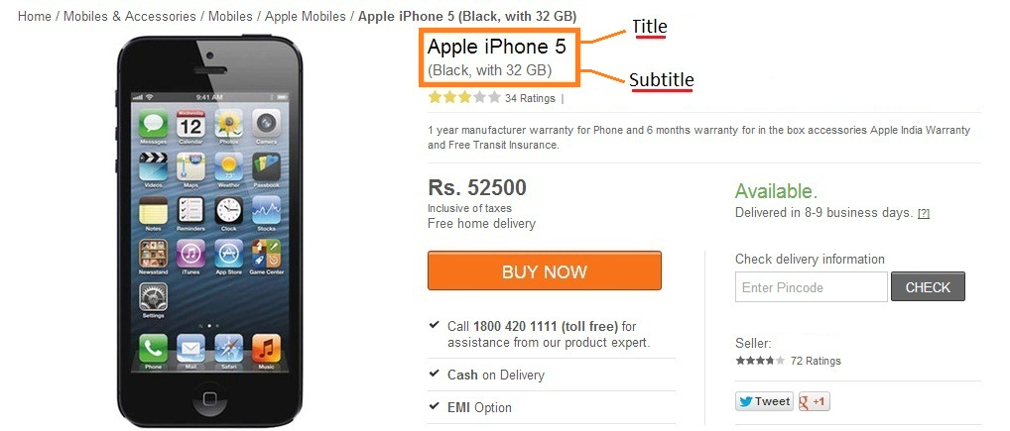

Refiners: Refiners such as Graphics Memory Type, Hard Disk Capacity, and Touchscreen simplify search and provide better visibility to a product. These are used to help a customer narrow down on a product.

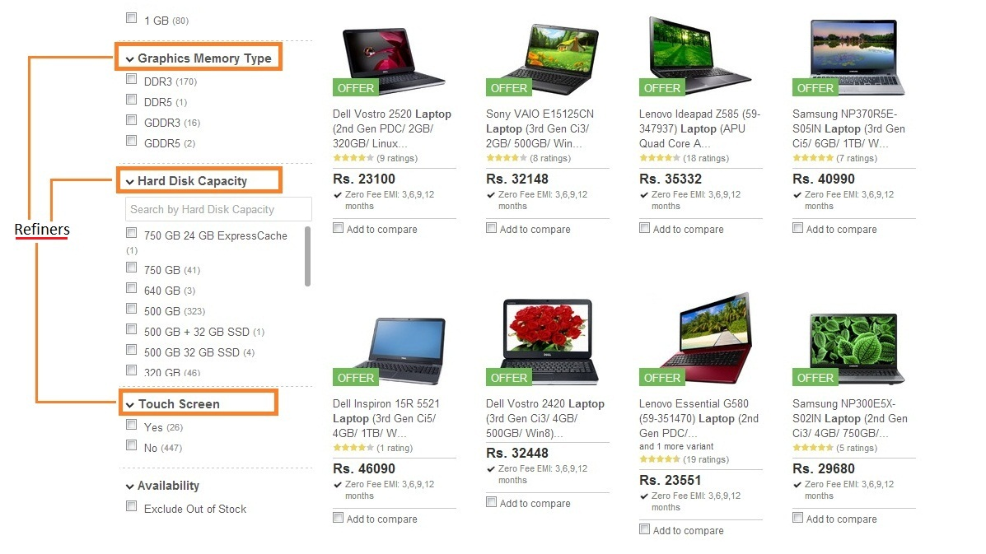

Step 2: Image Guidelines

Click the link to learn about image guidelines: https://seller.flipkart.com/LearningCenter/sub-category/566

Step 4: Fill Out the Catalogue File

* Provide as much data as possible to enhance buyer experience
* Enter values according to prescribed norms only. There are validation checks for number/decimal/character limits of the attributes
* Save the catalogue file frequently to prevent data loss due to system errors, etc. Do not rename the file.

Step 5: Upload the Catalogue File

Once you have filled out all necessary fields, upload the catalogue file by logging in to your seller account.

Reach out to Seller Support

For any queries/feedback, please email our Seller Support at ss@flipkart.com.

Happy Listing!

